Bar Sales
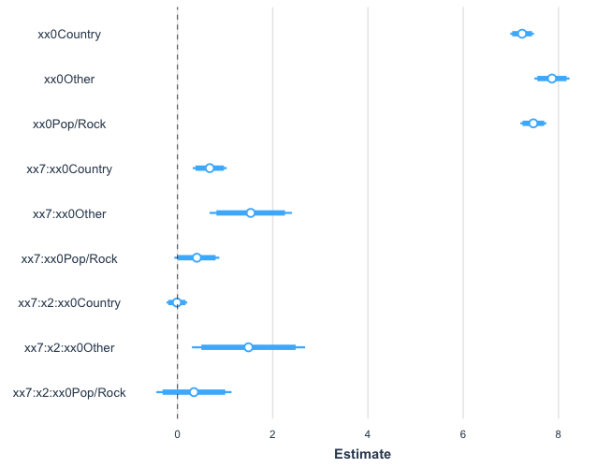
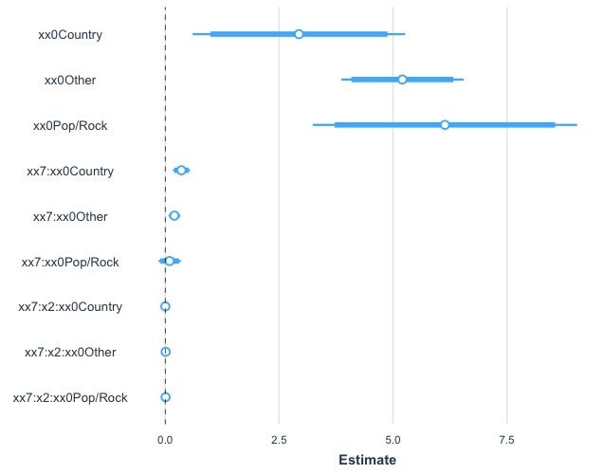
 | Country | Other | Pop/Rock | Coefficients | Variable | Term
xx0 | 2.933 | 5.204 | 6.138 | 5.204 |  | 5.204 |  | Formula | lm(log(y)~xx7:x2:xx0+xx0:xx7 + xx0+0)
xx7 | 0.3537 | 0.1994 | 0.09488 | 0.1994 | 8.666474894 | 1.727714207
xx7:x2 | 0.0004189 | 0.006973 | 0.005848 | 0.006973 | 0 | 0
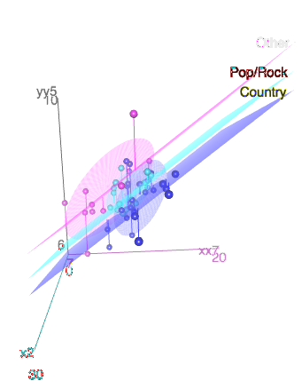
yy5 |  |  | 5.521 | 5.991 | 6.462 | 6.932 | 7.402 | 7.873 | 8.343 | 8.814
y5 |  |  | $249.85 | $399.91 | $640.11 | $1,024.58 | $1,639.99 | $2,625.02 | $4,201.69 | $6,725.37
 |  |  | 99.70% | 95% | 67% | 50% | 67% | 95% | 99.70% | 99.99%
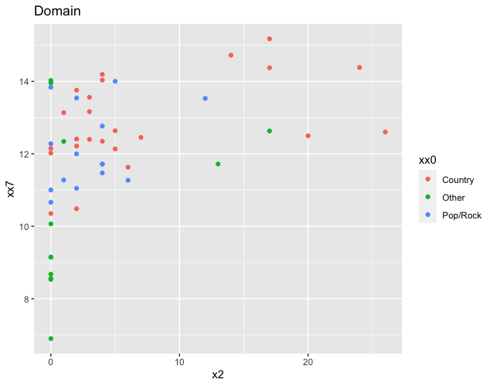

 |  |  |  | Country: |  | Other: |  | Pop/Rock:
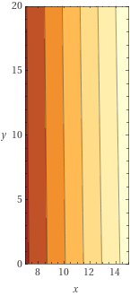
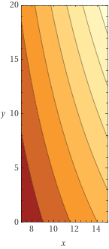
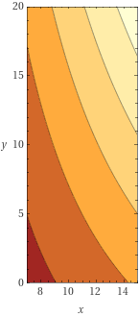

Country: |  |  |  | Other: |  |  |  | Pop/Rock:
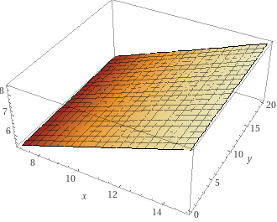
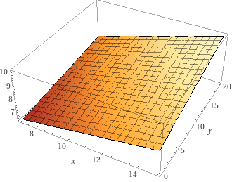
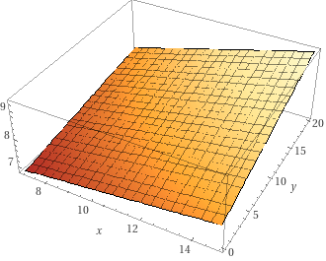

Standardized Coefficients: |  |  |  |  |  |  | Coefficieints:

Income
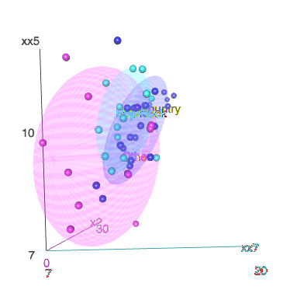
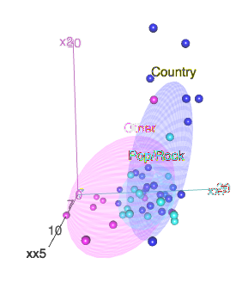
 | Country | Other | Pop/Rock | Coefficients | Variable | Term |  | Formula | lm(yy6 ~ xx0 + xx7 + x2 + xx0:xx5)
xx0 | 3.14 | -0.87 | -1.25 | -0.87 | 1 | -0.8651225976 |  | Residual Standard Error: | 0.7449 | Domain:
xx5 | 0.202 | 0.590 | 0.566 | 0.590 | #NUM! | #NUM!
xx7 |  |  |  | 0.37 | 8.666474894 | 3.210826296
x2 |  |  |  | 0.00142 |  | 0
yy6 |  |  | #NUM! | #NUM! | #NUM! | #NUM! | #NUM! | #NUM! | #NUM!
y6 |  |  | #NUM! | #NUM! | #NUM! | #NUM! | #NUM! | #NUM! | #NUM!
 |  |  | 99.70% | 95% | 67% | 50% | 67% | 95% | 99.70%

 |  |  |  |  |  |  |  | 2.5 % | 97.5 %
 |  |  |  |  |  |  | xx0Country | -0.45235938 | 6.7286898
 |  |  |  |  |  |  | xx0Other | -4.05218871 | 2.32194393
Coefficients: |  |  |  |  |  |  | xx0Pop/Rock | -6.14036208 | 3.63058907
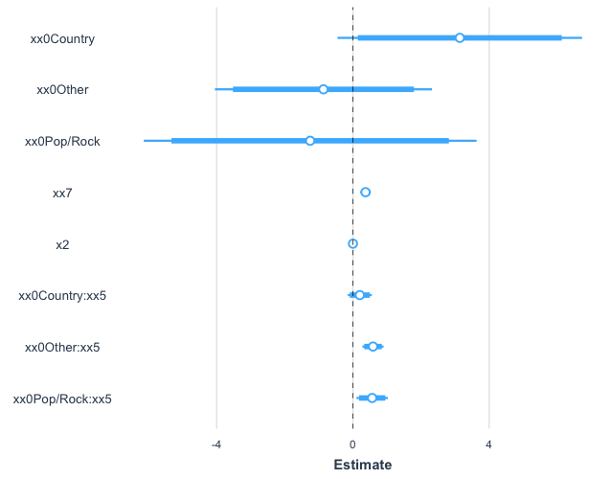
 |  |  |  |  |  |  | xx7 | 0.21362267 | 0.52735364
 |  |  |  |  |  |  | x2 | -0.03875308 | 0.04158342
 |  |  |  |  |  |  | xx0Country:xx5 | -0.15016094 | 0.55474487
 |  |  |  |  |  |  | xx0Other:xx5 | 0.27957594 | 0.9005393
 |  |  |  |  |  |  | xx0Pop/Rock:xx5 | 0.10360451 | 1.02753768

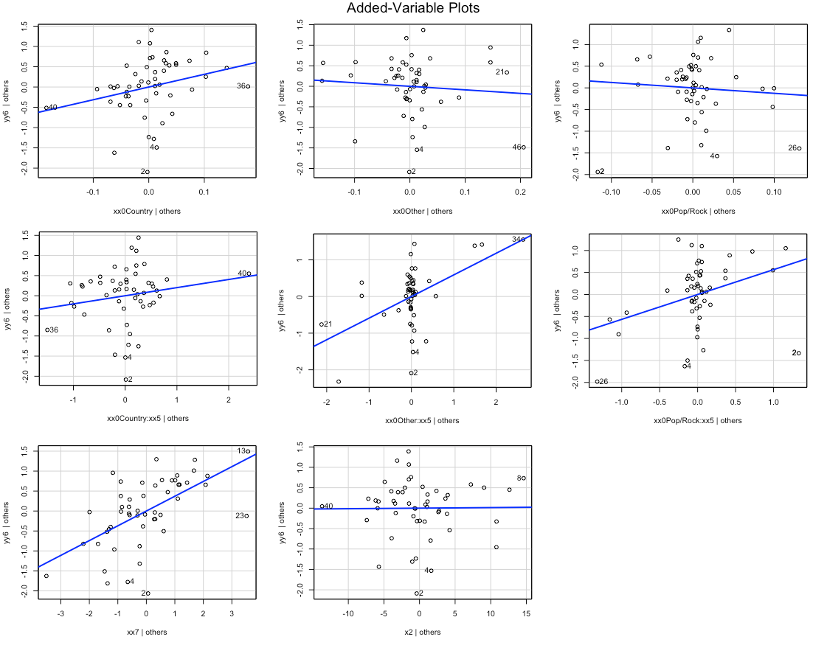

Standardized coefficients:
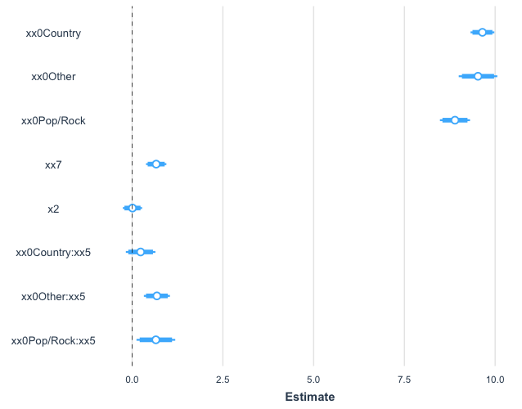

 |  | 2.5 % | 97.5 %
 | (Intercept) | -0.45 | 6.73
 | xx0Other | -8.50 | 0.49
 | xx0Pop/Rock | -10.14 | 1.35
 | xx7 | 0.21 | 0.53
 | x2 | -0.04 | 0.04
 | xx0Country:xx5 | -0.15 | 0.55
 | xx0Other:xx5 | 0.28 | 0.90
 | xx0Pop/Rock:xx5 | 0.10 | 1.03

Profit 1
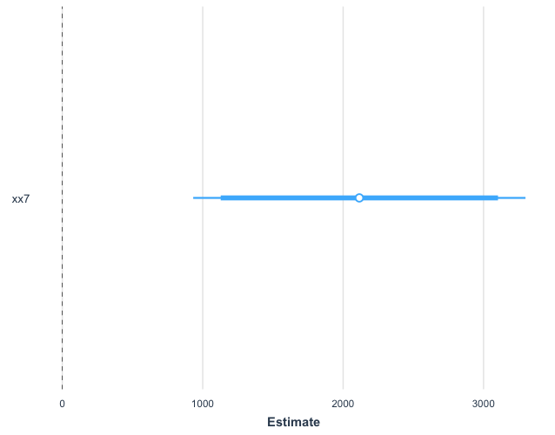
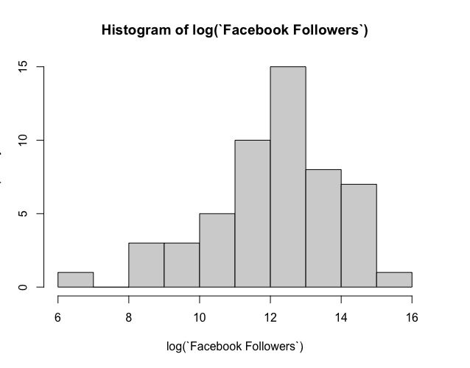
 |  | Coefficients | Variable | Term
intercept |  | -23677.4 | 1 | -23677.4
xx7 |  | 2115.6 | 8.666474894 | 18334.79429
y7 | -$28,484.61 | -$20,770.61 | -$13,056.61 | -$5,342.61 | $2,371.39 | $10,085.39 | $17,799.39
 | 99.70% | 95% | 67% | 50% | 67% | 95% | 99.70%
Profit
 | Formula | lm(y7 ~ xx7)
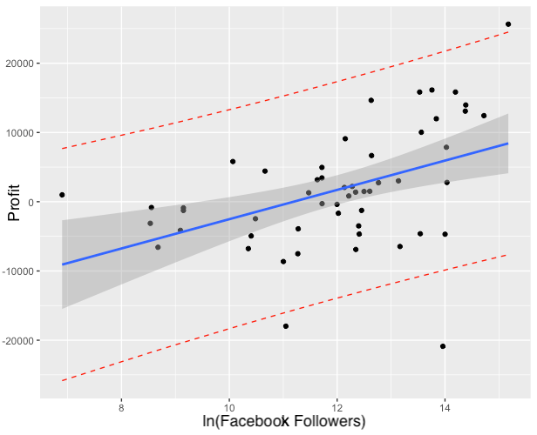

Profit

 | > confint(lm(y7~xx7))
 |  | 2.50% | 97.50%
 | (Intercept) | -38038.2278 | -9316.484
 | xx7 | 932.3439 | 3298.773

Model Coefficient (xx7):

Profit 2
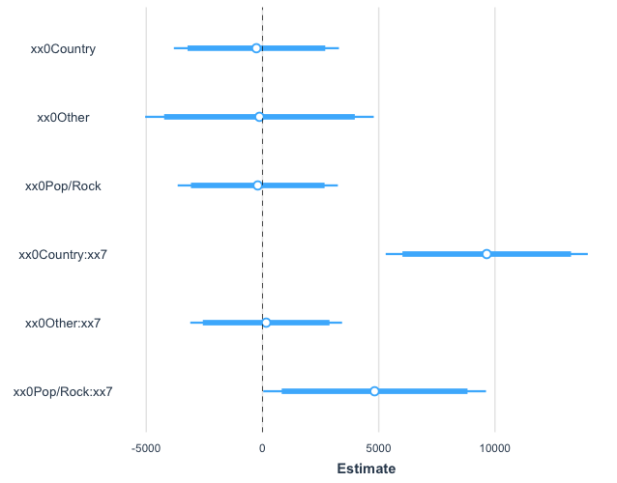
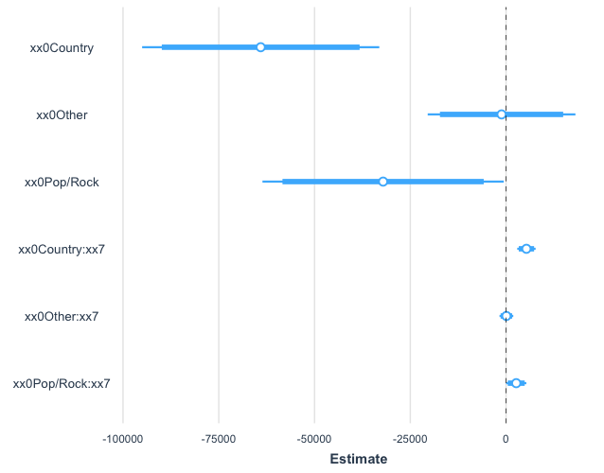
 | Country | Other | Pop/Rock | Coefficients | Variable | Term
xx0 | -64054.9 | -1173.3 | -32100.3 | -1173.3 | 1 | -1173.3
xx7 | 5314.6 | 86.9 | 2657.3 | 86.9 | 8.666474894 | 752.9384856
y7 |  |  | -$21,477.34 | -$14,458.34 | -$7,439.34 | -$420.34 | $6,598.66 | $13,617.66 | $20,636.66
 |  |  | 99.70% | 95% | 67% | 50% | 67% | 95% | 99.70%

Formula | lm(y7 ~ xx0 + xx7:xx0 + 0)
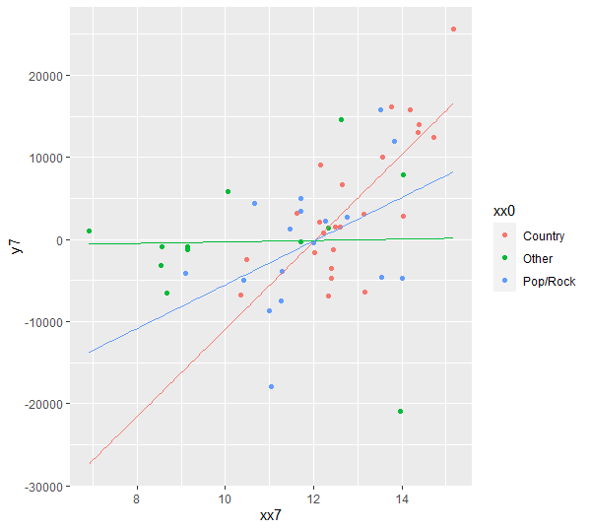
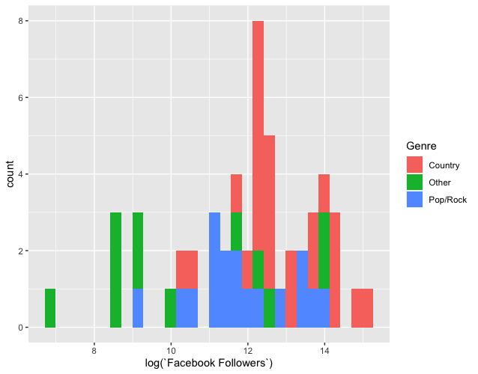

Model Coefficients (Standardized): |  |  |  |  |  |  | Model Coefficients:

Profit 3
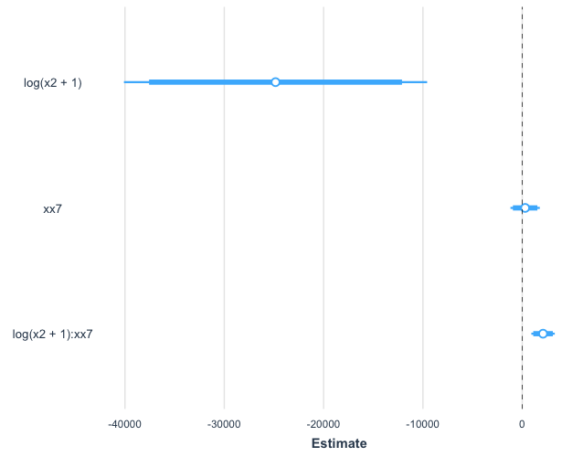
 |  | Coefficients | Variable | Term
Intercept |  | -4210.2 | X | -4210.2
xx7 |  | 289.6 | 8.666474894 | 2509.655133
log(x2+1) |  | -24839.3 | 0 | 0
log(x2+1):xx7 |  | 2093.3 | 0 | 0
y7 | -$22,535.58 | -$15,590.58 | -$8,645.58 | -$1,700.58 | $5,244.42 | $12,189.42 | $19,134.42
 | 99.70% | 95% | 67% | 50% | 67% | 95% | 99.70%

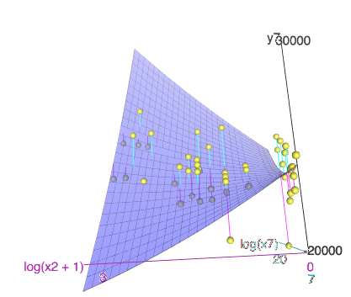
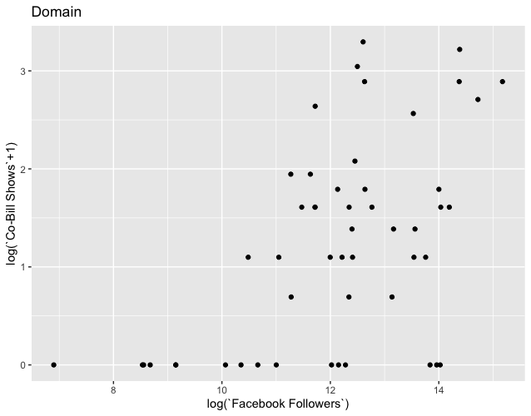
Formula: | lm(y7 ~ log(x2+1)*xx7)
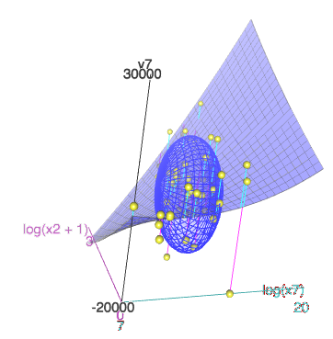

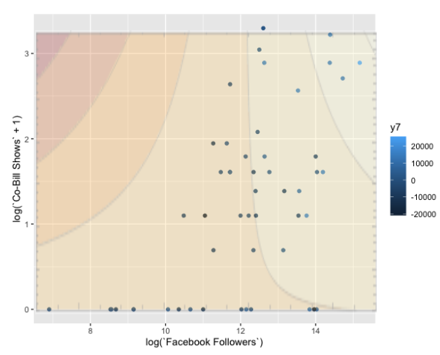

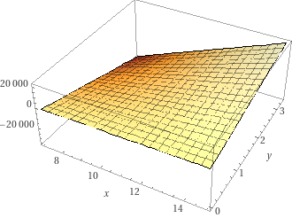

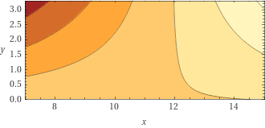

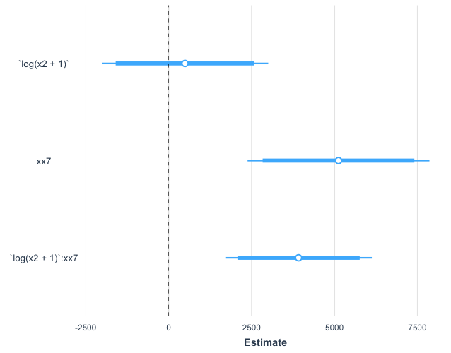
Model Coefficients (Standardized): |  |  |  |  |  |  | Model Coefficients:

